ValueCalculation-Show Values as
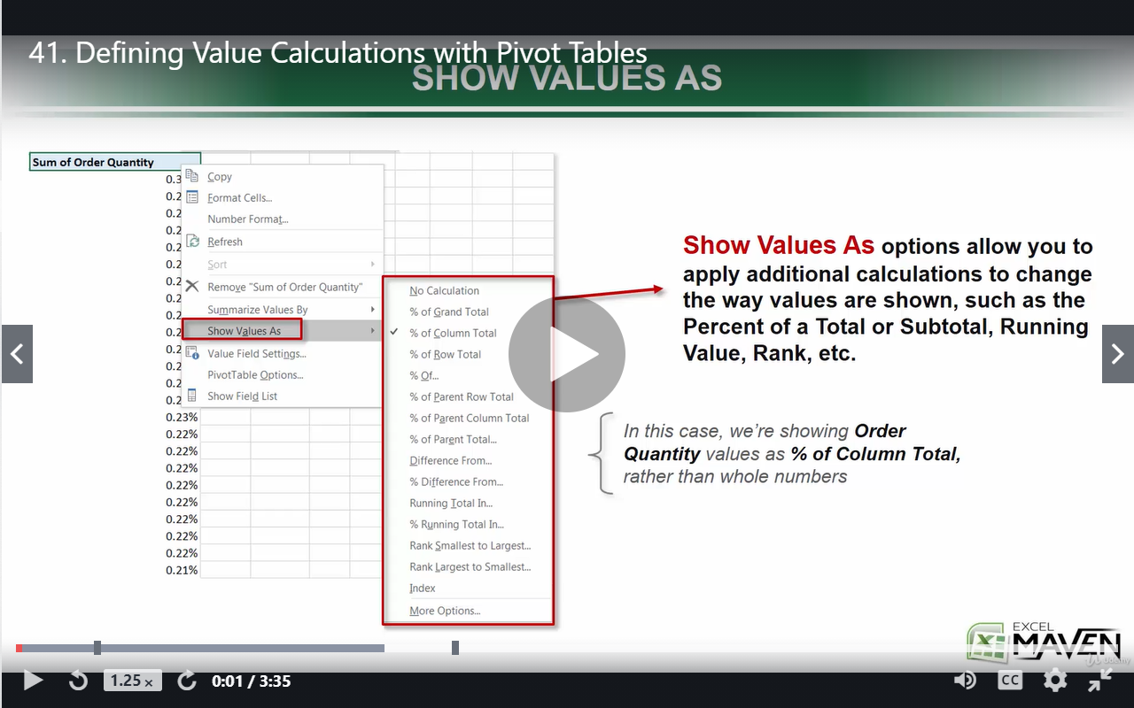

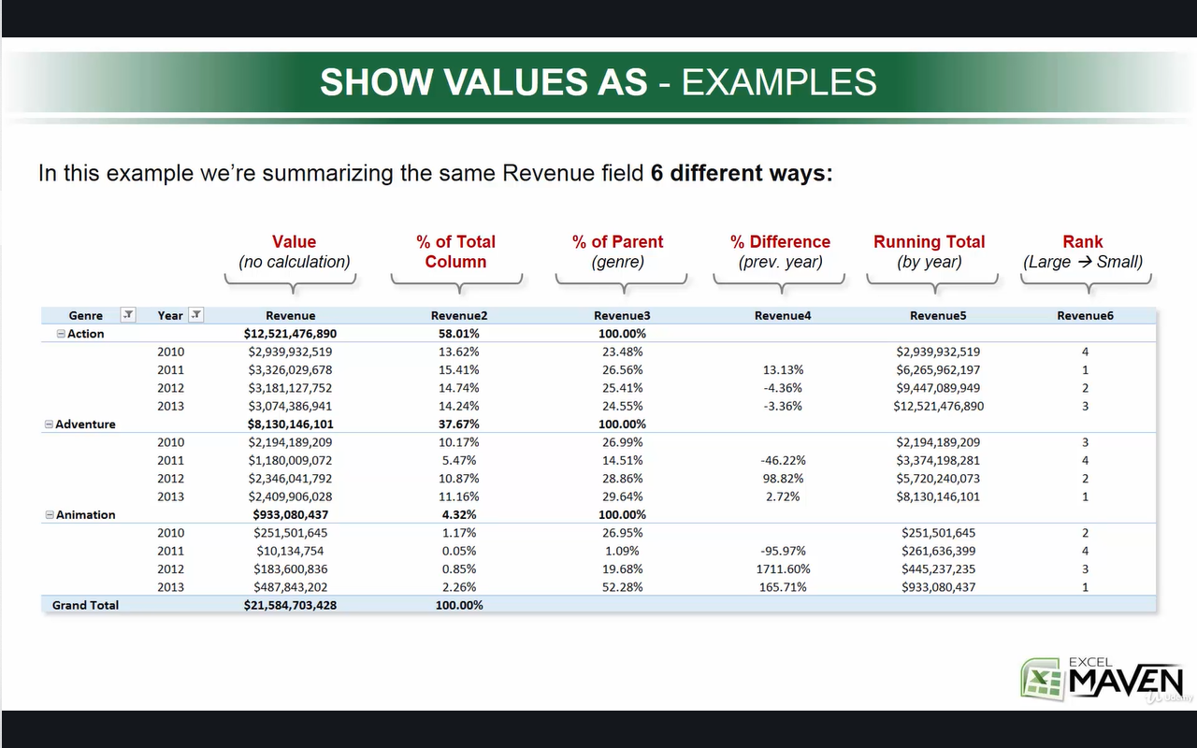

Calculated Items
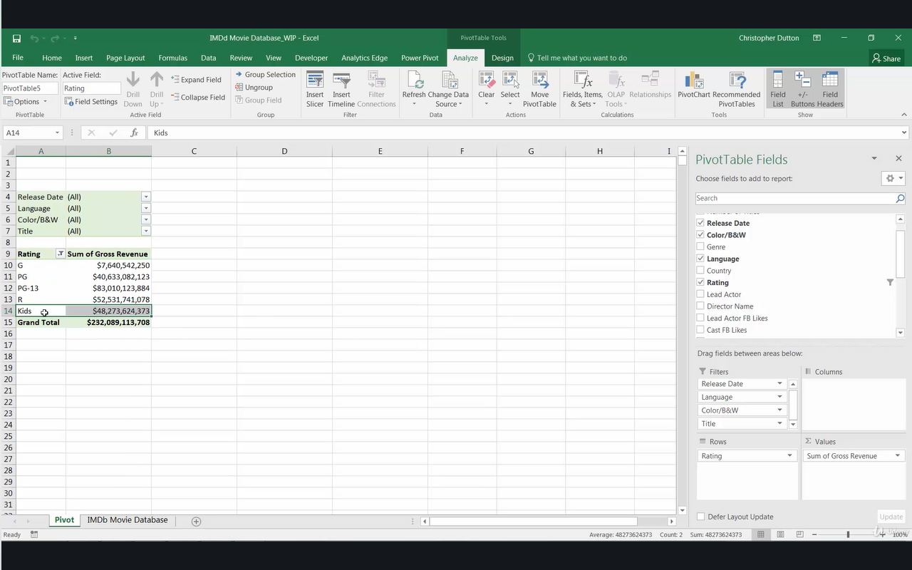
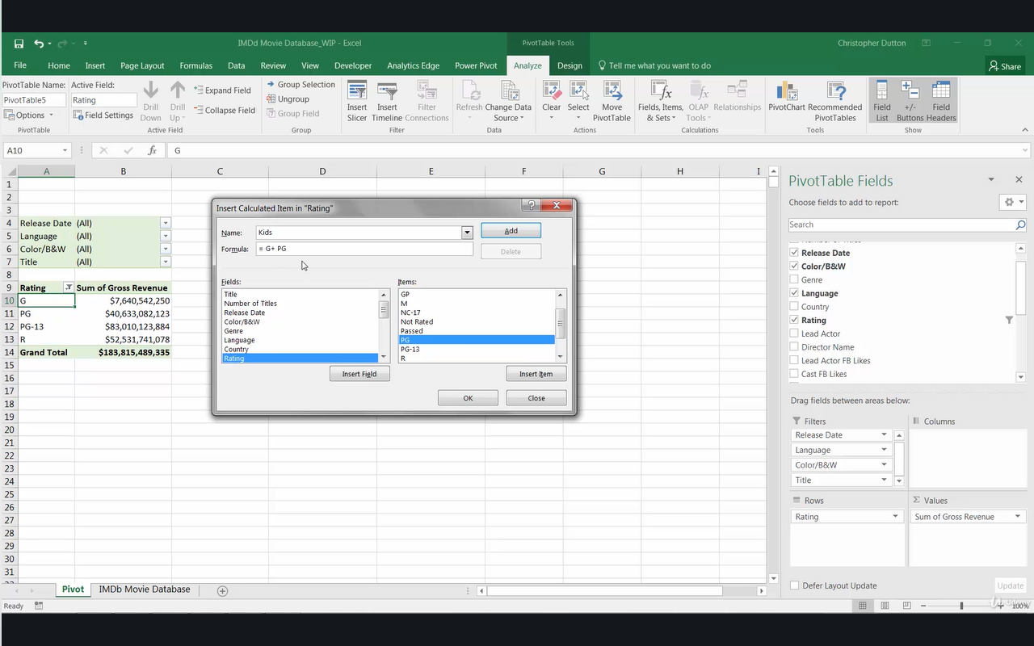

Alternate Method using Grouping

Release Date | (All)

Rating | Sum of Gross Revenue
Kids | $48,264,386,373
G | $7,639,342,250
PG | $40,625,044,123
PG-13 | $83,008,423,884
R | $52,525,741,078
Grand Total | $183,798,551,335

